Task 1 & 2
TASK 1 |  |  |  |  | TASK 2
For Task 1, please answer to the questions below. |  |  |  |  | For task 2, please state your answers in a presentation of 4-5 slides.

*All these assumptions were done using the data from week 24 as a reference with respect to weeks 25 and 26.
With this database, I can assume that:
-There is a weekly increase (between W24-W26) in customer complaints regarding "Menu Lacked options”, mainly for Beef / pork (550%) , Chicken / turkey (240%), Kids Friendly Meals (180%), Vegan / Plant Based (350%).
I suppose that the number of menu options between categories (chicken, meat, vegans, etc.) change during the week (it is not constant / it tends to decrease).
-There is a weekly increase in customers wanting a more appealing menu, in the category “ Not enough appealing options” was an increase of 256%.
I suppose that the presentation of food menus has not been optimized enough for all the menus. Is necessary to achieve an aesthetic and attractive standardized menu presentation for the customers.
-Definitely in the category "Recipes not appealing", it is necessary to evaluate the exotic and spicy food recipes, the increase of complaints between weeks with respect to this category was very evident (467% and 375% respectively), mainly in W26.
I assume that the recipes are very different and unusual with respect to the traditions and culture of the customer. On the other hand, our clients' tolerance to eating spicy foods is low compared to the recipes that were offered.
-Regarding the category of "repetitive recipes", there was an increase between week 24 and 25 (193%), then there was a small decrease in week 26 (180%).
I assume that the recipes are very repetitive. It is necessary to evaluate the number of recipes repeated between weeks and try to reduce these by incorporating new and different recipes each week.
-Opinions regarding the category "Too many of / Don't like certain ingredients" oscillated from week to week. However, for the option "Rice / Bulgur / Couscous" there was a considerable increase in rejections (1100%).
I suppose that ingredients such as Rice / Bulgur / Couscous are not among the customer's favorites.
-Note:
1. I wonder why customers would select in the category "I have a special dietary", the option: "I am vegan/vegetarian" if the Hellofresh system offers this type of menu.
2. The options: “I'm lactose intolerant”, “Next week's menu looks better”, “Too bland/tasteless”, “Potatoes” and “Vegan Meat Alternative”, are not offered consistently throughout the three weeks. It would be nice to standardize the questionnaire throughout the different weeks to have enough data to generate stronger conclusions in longer periods of time.
1A. What market assumptions can you make given the below menu architecture? |  |  |  |  | 2A. Map out the complete product journey within HelloFresh - outlining the most important milestones. In your opinion, how is the product operations workflow structured?
Answer:
 |  |  |  |  | 2B. Can you hypothesize which are the critical points in the workflow (e.g. repetitive tasks, overlaps, loss of information, etc)? Which improvements would you apply to streamline and optimize the process?

1B. Please give any feedback on where you think there is room for improvement in the architecture below. Anything is possible: from adding new slots to adding new preference, to special concepts. Also consider the data in the second tab to support and explain your decisions.
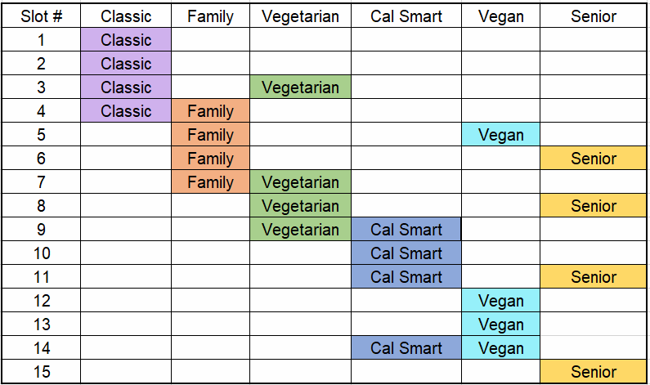 Answer:
*Note: the menu architecture matrix shown below is 10x4, not 12x4.
New Preferences and New slots:
1. I would like to add two new preferences:
1.1 Vegan preferences:
Based on the market assumptions and data, many customers have complained that the menu lacked options to vegan/plant based meals, between W24 to W26 there was an increase of 350% in complaints. I would suggest adding new preferences focused on vegan customers.
1.2 Seniors preferences:
Recent studies Published by Ref. 1 showed that the largest age group in Germany is between 40-59-year-old, with 23.6 million people. Most recent figures from 2019 confirmed that the next-largest age group was 65 years and older, at 18.09 million. For this reason, I would like to add new preferences focused on “Seniors preferences”. Where it could be designed recipes for seniors or people over 50 years of age, considering your diet restrictions. 2. New Recipes (new slots):
By adding two new preferences, I would like to add three new recipes (new slots) having in total 15 slots. Aiming to cover all preferences and to expand the recipe options. Below is my "menu architecture recommendation" with the new preferences and slots (Figure 1).
Figure 1. Menu architecture suggested. Source: Author
3. Special Concepts
In October 2016, a survey commissioned by the Vegan Society Germany to the market research institute SKOPOS was published. The result showed that 1,300,000 Germans are vegan. In 2008, it was estimated that 80,000 Germans were vegan (Ref. 2- Ref. 3). That means that more and more Germans are becoming vegan (including whole families).
For this reason, I think that it is important not only to add specific vegan preferences but also to offer this option in the "Family preferences".
With respect to the vegetarian and vegan preferences, I consider it important to have some recipes in relationship with "Cal smart preferences". Our vegetarian and vegan customers would want low calorie options.
Future suggestion:
1. On the other hand, 15.3% of the adult population in Germany is now living with diabetes (Ref.4), the number of people with type 2 diabetes is projected to increase to 12 Million in Germany by 2040. This would correspond to an increase of up to 77 % between 2015 and 2040 (Ref. 4). This means that many people need to pay attention to eating food low in sugar or foods with a low raise rate of insulin in blood.
For this reason, I would suggest in the near future adding new preferences focused on diabetic customers, with new recipes that attend this kind of diet.
At the same time, I would ask in the category "I have special dietary" if the customer is diabetic.
Note: This new suggestion (diabetic preferences), also could benefit the celiac customer, because both need to eat food with low wheat content.
2. Secondly, studies have shown that 15 % of Germans are lactose intolerant (Ref. 5). For this reason, I think that it will be interesting to do customer research in regards to lactose intolerance. The questions asked showed not to be constant during the weeks.
3. Third, I think that it will be interesting to evaluate the fluctuation between the variation of the weekly recipes. With the idea to standardize:
-The flavors offered for seasons and/or months.
-The large weekly differences in regards to "Menu Lacked ", " Menu not appealing" and "Recipes not appealing" opinions.
Perhaps the variety of foods offered per week with respect to flavors, ingredients, and condiments for a determined season is being too different between one week and the next. The idea is to maintain the variety between weeks but to be standardized with respect to:
-Spicy food with a level medium as maximum,
-The same quantity of menus with chicken, beef, and fish per week,
-Exotic food but at a level that our customers are familiar with.
References
[1] Koptyug, E. (11/2021). Population of Germany as of December 31, 2019, by age group. Estatista. https://www.statista.com/statistics/454349/population-by-age-group-germany/
[2]Janssen, M., Busch, C., Rödiger, M. and Hamm, U. Motives of consumers following a vegan diet and their attitudes towards animal agriculture. Appetite
Vol. 105, 2016. https://doi.org/10.1016/j.appet.2016.06.039
[3] Diaz, D. (11/2021). Veganism statistics: how many vegans are there? Respuestas Veganas Copyright © https://respuestasveganas.org/encuestas-sobre-veganismo/
[4] Tönnies, T. , Röckl, S. , Hoyer, A. , Heidemann, C. , Baumert, J. , Du, Y. , Scheidt‐Nave, C. and Brinks, R. Projected number of people with diagnosed Type 2 diabetes in Germany in 2040. Diabetic Medicine. 2019.
https://doi.org/10.1111/dme.13902
[5] IMD Labor Berlin (11/2021). Lactose intolerance. https://www.imd-berlin.de/en/special-areas-of-competence/food-intolerances/lactose-intolerance

Below you will find the main guideline to construct HelloFresh's weekly menu. It is a matrix of 12 different recipes and 4 Main Preferences. The menu is exactly the same for all customers (regardless of their preference), what changes is the order in which they see the menu and the slot they will get by default. E.g. Matthew is a Classic customer who decided to get a 4x2 plan (4 meals per week for 2 people). Matthew enjoys the surprise element we offer to our clients so he allows the system to automatically assign the recipes for him (he is not actively choosing the recipes). In this case Matthew will get Recipes Slots: 1, 2, 3 and 8, and will see them first in his weekly menu overview.

Menu Architecture
Slot # | Classic | Family | Vegetarian | Cal Smart
1 | Classic
2 | Classic | Family
3 | Classic | Family
4 |  | Family
5 |  |  | Vegetarian
6 |  |  | Vegetarian
7 |  |  | Vegetarian | Cal Smart
8 | Classic | Family | Vegetarian
9 |  |  |  | Cal Smart
10 |  |  |  | Cal Smart

Preferences
Classic | "I eat everything" Customer
Family | Easy flavour for kids and ease of preparation for parents
Vegetarian | 100% Vegetarian recipes (not vegan)
Cal Smart | Recipes below 700kcal

